Q-1
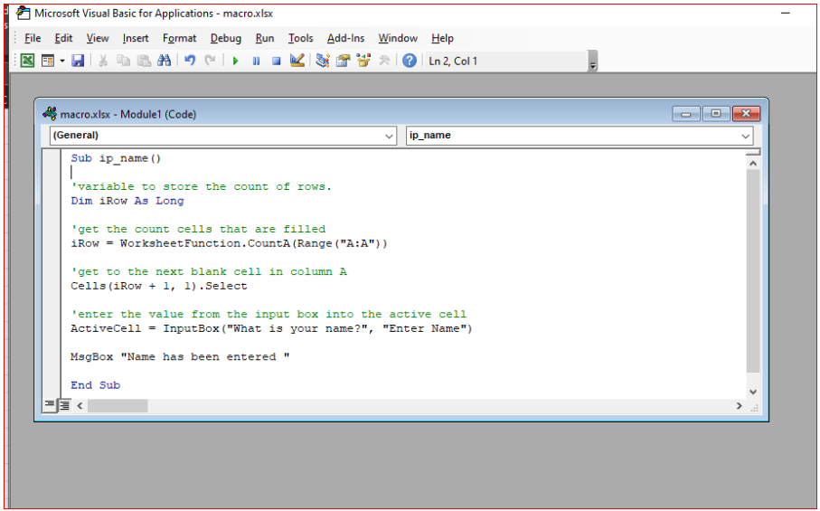
Q-1 Write a VBA code to enter your name in A1 Cell using Input Box and once you enter the name display a message box that says the name has been entered.

Q-2
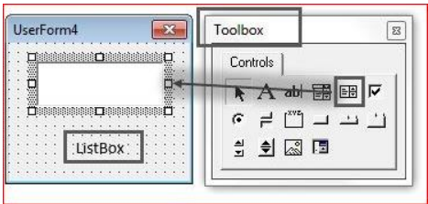
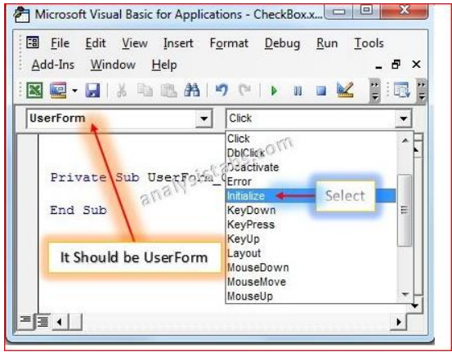
Q-2 What are Userforms? Why are they used? How to fill a list box using for loop.

∆ A User Form object is a window or dialog box that makes up part of an application's user interface. The User Forms collection is a collection whose elements represent each loaded User Form
in an application. The User Forms collection has a Count property, an Item method, and an Add method.

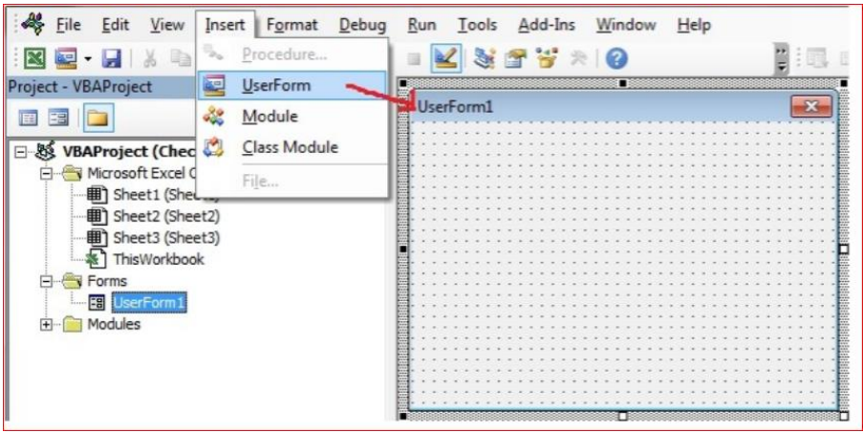

∆ List Box is one of the User Form controls. We can select and drag List Box on the User Form. This control is used to display a list of items to a list. This is used on the User Form.

∆ Drag Listbox_Control on the User form from the Toolbox. Double Click on the User Form and select the User form event.

Q-3
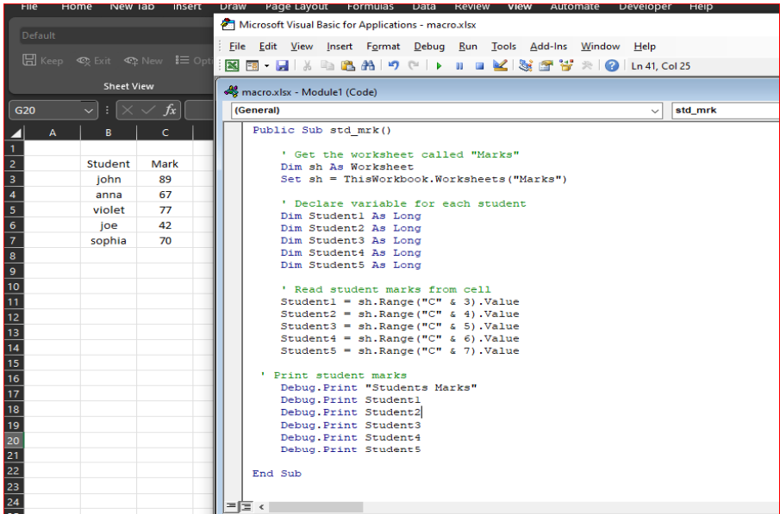
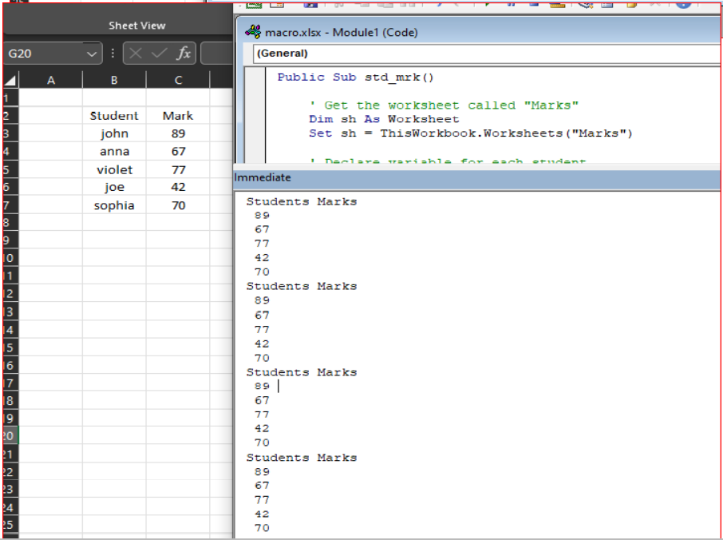
Q-3 What is an array? Write a VBA code to enter students and their marks from the below table.

∆ An array is a single variable with many compartments to store values, while a typical variable has only one storage compartment in which it can store only one value. Refer to the array when wants
to refer to all the values it holds or can refer to its individual elements.

